1. Title Page
[Project Name]

Project Name: Instacart Grocery basket analysis
Date:
Analyst Name: Soliana Ogbamichael

Contents:
Population Flow
Consistency checks
Wrangling steps
Column derivations
Visualizations
Recommendations

2. Population Flow
Title page

Population flow

Exclusion flag
Condition: max_order < 5
Obervations to be removed:
Final total count of order_products_all: 32404859

Total:32434489
Total:32404859
Total: 32404859
Orders_products_all

Orders_products_combined
Orders_products_merged

1.) The grey boxes in the first row of the population flow represent the original data sets as they were when you downloaded them. In the Total fields you need to add the count of the rows when you imported the data set into Jupyter.
2.) The second row of boxes (coloured) represents the data sets after you manipulated them, e.g., removed missing values and duplicates. In the Total fields you need to add the count of the rows after conducting these operations. This offers a visual oveview of how the data flows throughout the data consistency checks.
3.) The third row, where also the arrows are coloured, represents the merges you performed between the datasets. In the Total fields you need to add the count of the rows in the merged datasets, so that you end up with the final dataset (in the red box). Keep in mind the final dataset should be without exclusions (based on the exclusion flag).

3. Consistency checks
 |  |  |  | Title page
Consistency checks

Dataset | Missing values | Missing values treatment | Duplicates
orders_wrangled | days_since_prior_orders has 206209 NA values | for this data set to treat the column with the missing value we exclude all N/A values and create a new columns for the customers. | no duplicate with in ths data set
products | product_name has 16 missing values | to treat the missing value we remove the missing value | 5 duplicates with in this data set
orders_wrangled | days_since_prior_orders has 206209 NA values
customer | first_ name has 11259 missing value | they kept as it is since we have last name

4. Wrangling steps
 |  |  |  | Title page
Wrangling steps

Columns dropped | Columns renamed | Columns' type changed | Comment/Reason
 |  | order_id and user_id from numeric to string | order_id and user_id don’t represent real numeric value rather keys related to specific order and user hence no need to calculate specific static for them
 | order_dow (order.csv data set) |  | ord er_dow is changed to order_day_of_the_week.to make more readable for the stakeholders who use the data data
firs_name ( from customer) |  | to string

eval_set( from orders.csv) |  |  | This column is a bit irrelevant for the data analysis
 | First_Name
 | surnam
 | Gender
 | STATE
 | Age
 | n_dependants
 | fam_status

5. Column derivations
 |  |  |  | Title page

Column derivations and aggregations

In this tab you should add tables below that the frequences of flags/label variables that you produced after deriving them. NB: don't do this for continuous variables, only for flags.
Dataset | New column | Column/s it was derived from | Conditions
orders_products_merged.pkl | price_range_loc | prices | if prices <= $5 then, 'low range product', if prices <$5 and >=$15 then 'mid range product, if price is > $15 then ' high range product.
orders_products_merged.pkl | busiest_day | orders_day_of_week | if day = 0 then "busiest day", if day = 4 then "least busy" , if else then "regular buzy"
orders_products_merged.pkl | busiest_day | orders_day_of_week | if day = 0 or 1 then "busiest day", if day = 3 or 4 then "least day", if else " regular day"
orders_products_merged.pkl | busiest_period _of_day | order_hour_of_day
orders_products_merged_update.pkl | loyalty_flag | max_order | if max_order is > $40 then loyal customer else if max_order is <=$40 and >$10 then regular customer, else if max _order is <= $ 10 then new customer.
order_products_merged_update.pkl | spending_flag | average_price | if average_price > $ 10 then high spender, else if average_price = < $10 then less spender
order_products_merged_update.pkl | median_order_frequency | days_prior_order_day | if prior_order_day is > $20 then return non_frequent_customer , else if prior_order_day is > $10 and <= $20 then return regular customer , else if prior_order _day is >= $ 10 return frequent customer
ords_prods_custs | regions | states | region1 = ['Maine', 'New Hampshire', 'Vermont', 'Massachusetts', 'Rhode Island', 'Connecticut', 'New York', 'Pennsylvania', 'New Jersey'] , region2 = ['Wisconsin', 'Michigan', 'Illinois', 'Indiana', 'Ohio', 'North Dakota', 'South Dakota', 'Nebraska', 'Kansas', 'Minnesota', 'Iowa', 'Missouri'] , region3 = ['Delaware', 'Maryland', 'District of Columbia', 'Virginia', 'West Virginia', 'North Carolina', 'South Carolina', 'Georgia', 'Florida', 'Kentucky', 'Tennessee', 'Mississippi', 'Alabama', 'Oklahoma', 'Texas', 'Arkansas', 'Louisiana] , r egion4 = ['Idaho', 'Montana', 'Wyoming', 'Nevada', 'Utah', 'Colorado', 'Arizona', 'New Mexico', 'Alaska', 'Washington', 'Oregon', 'California', 'Hawaii']
ords_prods_custs | activity_flag | max_ords | If 'max_order' <= 5, then 'Low Activity'; If 'max_order' >5, then 'High Activity'
ords_prods_custs_normal | Age | age | age_group <= 35, young adult, age-group between 35 and 65 middle age, age_group >= 65 old adult
ords_prods_custs_normal | income_group | income | Customers salary less than 100,000 = low income, Customers salary between 100,000 - 200,000 = middle income, Customers salary between 200,000 - 400,000 = upper middle income, Customers salary between >400,000 = high income .
ords_prods_custs_normal | department | department_id | mapping where department is equal with department_id
ords_prods_custs_normal | baby_status | department | where department is equal with baby status
ords_prods_custs_normal | frozen_status | department | where department is equal with frozen status
ords_prods_custs_normal | household_size | no_dependants | n_dependants = 0, single household , n_dependants between 1-2, small household, n_dependants between 2-3, large household

6. Visualizations
 |  |  |  |  |  |  |  |  |  |  |  | Title page

Visualisations

In this tab you should include all the visualtions from Exercises 4.9 and 4.10, alongside the questions from the project brief that they answer. Include any commentary on the relationship between different variables.

Busiest days of the week and hours of day

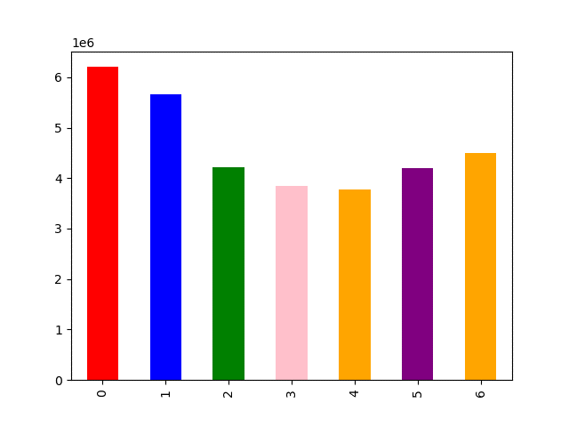

 |  |  |  | days of week
 |  |  |  |  |  |  |  |  |  |  | the histogram shows most of orders comes in between ( 9 am to 4 pm )
 | the most busiest days are Saturday ( day 0) and Sunday (day 1) which means |  |  |  |  |  |  |  |  |  | during 0 ( wich is midnight ) to 6 am orders remain minimum and starts to
 | most customers spent money during weekends. Tuesday and wednsady are the lowest days. |  |  |  |  |  |  |  |  |  | rise from 7 am till 4 pm and then it start to decrease gradually between
 |  |  |  |  |  |  |  |  |  |  | 5pm to 11 pm.

 | particular times of the day where |  |  | when people spend most money
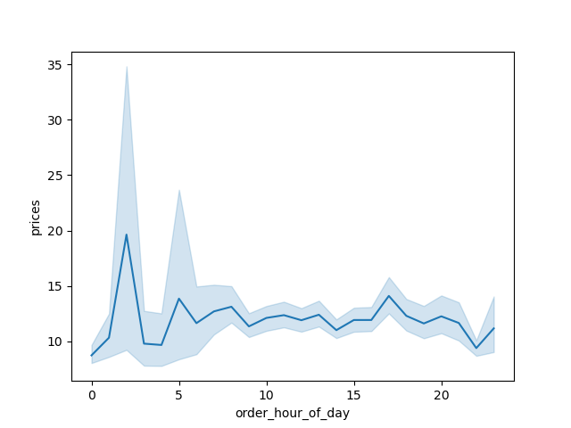

 |  |  |  |  |  |  | The line chart indicates price reachs high at 2 o'clock and it shows slightly difference between
 |  |  |  |  |  |  | 5 o'clock to 8 o'clock.

Distribution of orders among customers in terms of loyalty
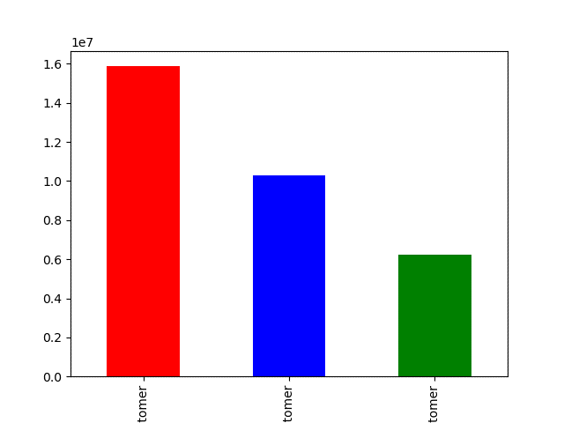

 |  |  |  |  |  |  |  | Most of the customers are regular customers not loyal customer

 |  |  |  |  |  |  |  |  |  |  | Customers by age group

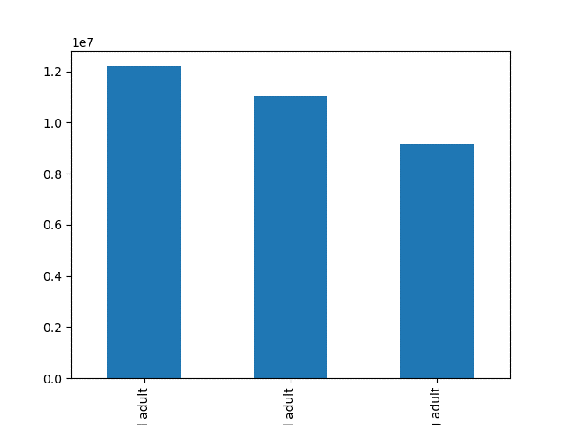

 |  | Customers by household
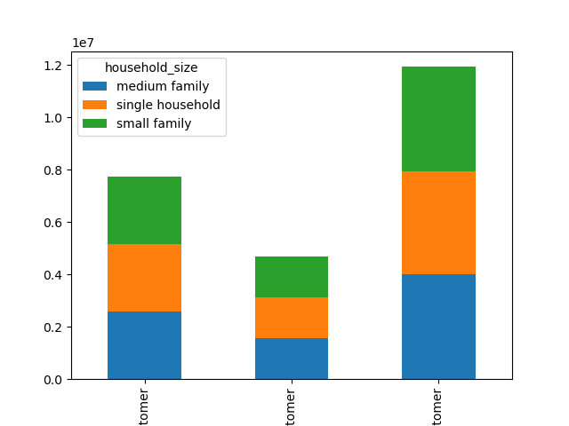

 | majority of the customers regular customers and most of regular customers have
 | single family and mediun family size ( 2 -3 number of dependants) |  |  |  |  |  |  |  | The bar chart above shows that most of the customers are middle-age and old adult agroups,
 |  |  |  |  |  |  |  |  | middle - aged adult taking the larger share, following by old adult.
 | there are also more loyal customers compared with new customers.

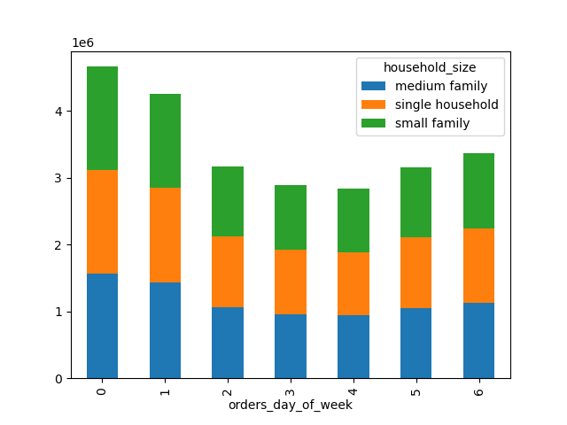
 |  |  |  |  |  |  |  |  | Order day of the week by household size
 |  | Customers by income
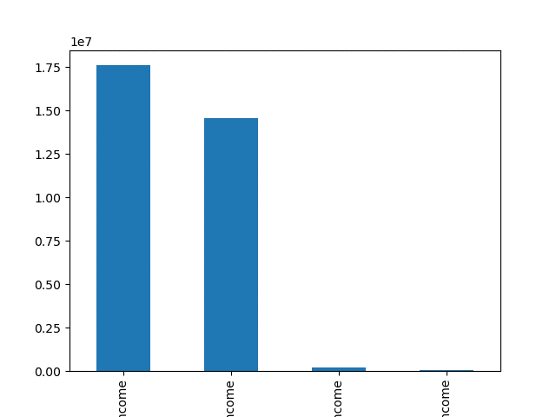

 |  |  |  |  |  |  |  |  |  | all house hold size are buzy by Saturday followed by Sunday , but the rest of days have almost the same number of customers

 | The bar chart shows that majority of customers are low income (<USD 100,000 ) and middle
 | income ( USD between 100,000 - 200,000) customers . There are few customers that are middle inccome
 | (between USD 200,000 -400,000) and high income (>USD 400,000)

 |  |  |  | Shoping hour for household
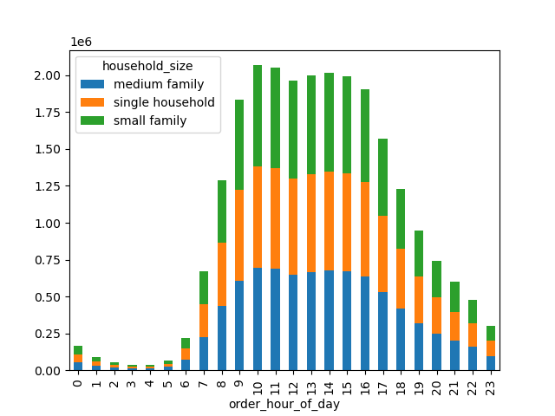

 | The bar chart shows that most of the orders come in between 10-16 o'clock (10am-4pm) regardless of customers' family size.

 | Starting from 7 o'clock onwards orders start to rise up and reamin high until 15 o'clock (3pm). After 3pm, they start to decline.

 | And during 0-6 o'clock (mid-night to 6am) orders reach the most minimum record.

 | As we can see from the bar chart above, the distribution is skewed to the right, i.e., mean > median.

 | Certain types of products that are more popular than others

 | customers age group by department |  |  |  |  |  |  |  | Frozen products |  |  |  |  | Babies product
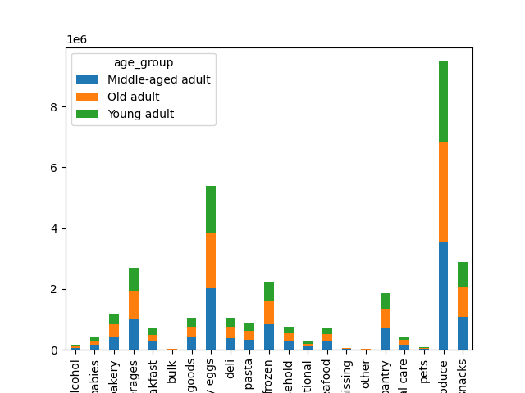
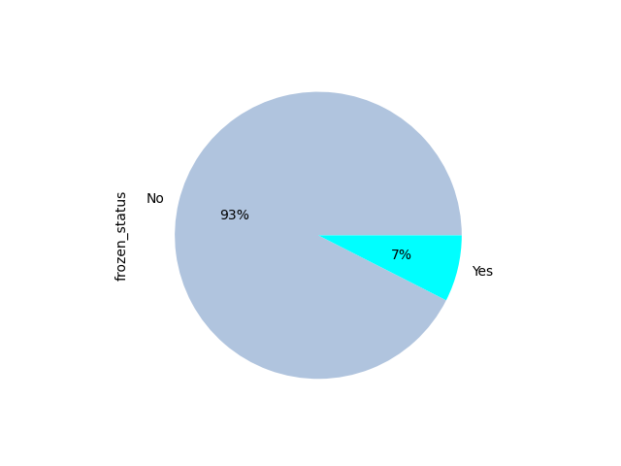
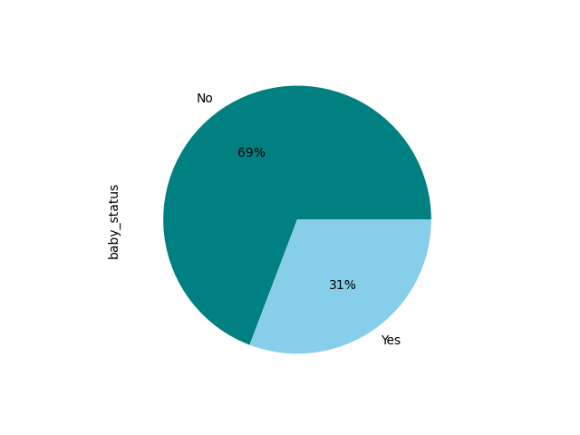

 |  |  |  |  |  |  |  |  |  |  |  |  |  |  | 31 % of the products are babies items
 |  |  |  |  |  |  |  | 7% of the total products which are sold are frozen
 |  |  |  |  |  |  |  | and the rest 93% of the total producsts are non Frozen ( fresh) items

 | the bar chart shows that the produce department has registered the highest sale across all age groups followed by dairy eggs, snacks and beverages departments respectively.

 | Most of customers for produce and dairy eggs departments are middle-aged adults followed by old adults and young adults.

 | Most of the customers for the beverages department are middle-aged adults followed by young adults and old adults.

 | Are there difference in ordering habits based on a customers region

 |  |  |  | Age group across region |  |  |  |  |  | Customers income across region
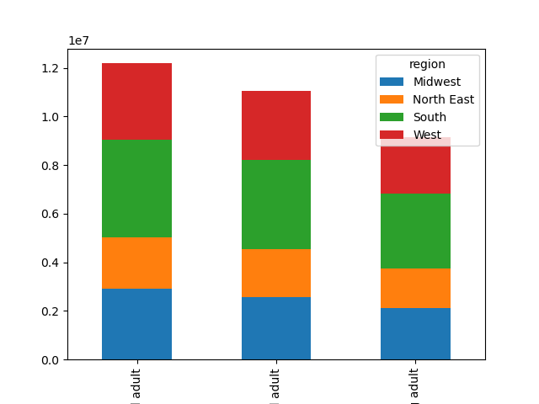
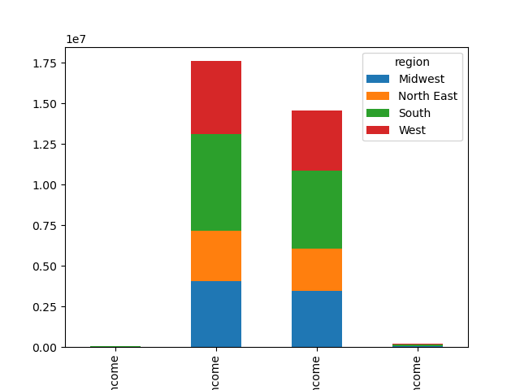

 |  | All age group are proportional across all regions , however the south region
 |  | happen to have relatively more number for all the age group.

 |  |  |  |  |  |  |  |  |  |  | The bar chart shows that customers from the Southern regions dominates both in the low income and
 |  |  |  |  |  |  |  |  |  |  | middle income customers group followed by customers from West , Midwest and North East regions respectively. |  |  |  |  | y

 |  |  | Customers for each department across regions
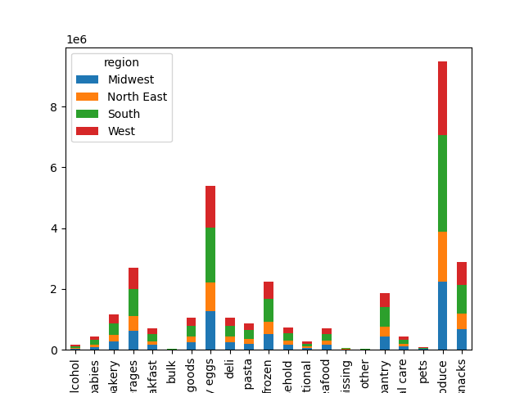

 |  |  |  |  | the bar chart shows that the produce department has registered the highest sale across all age groups followed by dairy eggs, snacks and
 |  |  |  |  | beverages departments respectively.For all the top departments with the highest sales records, most of the customers are from the South region followed by
 |  |  |  |  | West, Midwest and North East.
 |  |  |  |  | Bulk, Pets and Alcohol departments have the lowest customers number.

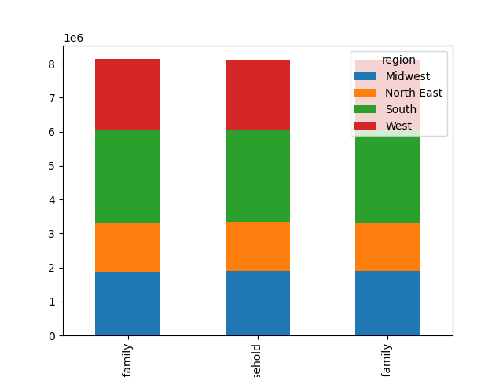
 |  |  |  |  |  | Household size across regions

 |  |  |  |  |  |  |  |  |  |  |  |  | Most of customers in South region are medium family, small family and single household respectively
 |  |  |  |  |  |  |  |  |  |  |  |  | Most of the customers in West and Midwest regions are medium family, single household and small family respectively
 |  |  |  |  |  |  |  |  |  |  |  |  | Most of customers in the North East region are single household, small family and medium family respectively

Determine whether there's a connection between age and family situations be creating a line chart exploring the connections between age and number of dependants.
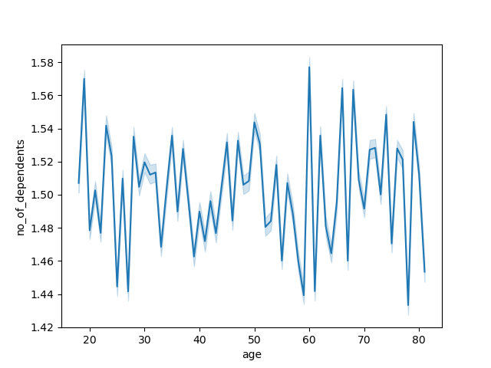

 |  |  |  |  |  |  |  |  | the line chart doesn't show any clear relation between age group and number of dependents

7. Recommendations
 |  |  |  |  |  |  |  |  |  |  |  |  |  | Title page

Recommendations

In this tab you should include any recommendations you would made to Instcart in terms of their marketing strategy based on the questions posed in the brief. Every key question has been covered in the Tasks of the Exercises - here you need to add an item - a visualisation or table/crosstable that is showing the answer in the data, acompanied by a comment from you. Please, list the questions below and add the answer underneath.

Question

 | the sales team needs to know what the busiest days of the week and hours of the day are
 | ( I.e., the days and times with the most orders ) in order to schedule ads at times where there are fewer orders

Answer

The most busiest days are Saturday(day 0) and Sunday( day 1) in which most of the orders comes between 9am to 4pm. On the other
hand Tuesday and wednsday have low orders but, the period of time between 12am - 5am is inconvinient becauset it
is a sleeping hours . So it is better to schedule ad after 3pm when orders began to decrease and the customers are
wake duting that time.
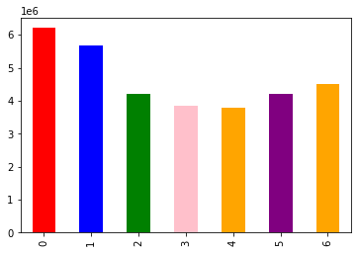

 |  | day of the week
 |  |  |  |  |  |  |  |  | time

Question

They also want to know whether there are particular times of the day when people spend the most money,
as this might informs the type of products they advertise at these times.

Answer
Orders reach to maximum during 9 am to 3 pm . It is good to know the period of time when
customers spend more because it helps to know which products have more demand. And
also it is also the spending habits per hour during these time is almost the same.

Question

What’s the distribution among users in regards to their brand loyalty (i.e., how
often do they return to Instacart)?

 |  |  |  |  |  |  |  |  | instacart has more more regular customers compared with loyal and new customers
 |  |  |  |  |  |  |  |  | based on that most of the customers are middle-age and old adult agroups, middle-aged adult taking the larger share.
 |  |  |  |  |  |  |  |  | share, followed by old adult

 | regular |  | loyal |  | new
 | customer |  | customer |  | customer

 |  |  |  |  |  |  |  |  | middle age |  | old |  |  | young
 |  |  |  |  |  |  |  |  | adult |  | adult |  |  | adult

question

Are there differences in ordering habits based on a customer’s region?

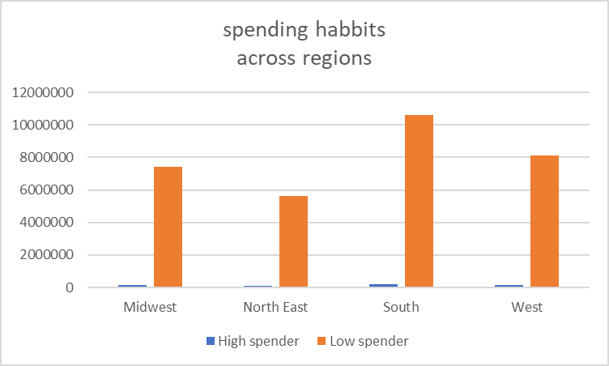
 |  |  |  |  |  |  |  |  | spending flag | Midwest | North East | South | West
 |  |  |  |  |  |  |  |  | High spender | 155975 | 108225 | 209691 | 160354
 |  |  |  |  |  |  |  |  | Low spender | 7441350 | 5614511 | 10582194 | 8132559

 |  |  |  |  |  |  |  | all regions have high difference among high spenders and low spenders customers
 |  |  |  |  |  |  |  | but over all the south region has more customers for both high spenders and low spenders
 |  |  |  |  |  |  |  | in the other hand north east has less customers for both high and spender and low spender.

 | middle-aged adult | old adult | young adult
midwest | 2913052 | 2569535 | 2114735
north east | 2126330 | 1973103 | 1623303
south | 4019241 | 3685583 | 3087061
west | 3132562 | 2839031 | 2321320
 |  |  |  |  |  |  |  |  | age group | midwest | north east | south | west
 |  |  |  |  |  |  |  |  | middle-aged adult | 2913052 | 2126330 | 4019241 | 3132562
 |  |  |  |  |  |  |  |  | old adult | 2569535 | 1973103 | 3685583 | 2839031
 |  |  |  |  |  |  |  |  | young adult | 2114735 | 1623303 | 3087061 | 2321320

 |  |  |  |  |  |  |  | we can also categorize customers across regions acorrding to their age group. The chart indicates that
 |  |  |  |  |  |  |  | the south region has more custoemrs in all age group than the other regions .
 |  |  |  |  |  |  |  | middle age group has happened to be more spenders than the other age group across all regions.
 |  |  |  |  |  |  |  | north east has the lowest customers for all age group. So finding the reason why the number is
 |  |  |  |  |  |  |  | low compared with the others regions is very important for the instacart online store.

Question

Is there a connection between age and family status in terms of ordering habits?

Answer

Household size
 | number of customers
medium family(2-3 )kids | 8135109
single household | 8097502
small family ( 1- 2 )kids | 8091141
NaN | 8081104
 |  |  |  |  |  |  |  |  |  | house hold size | number of customers
 |  |  |  |  |  |  |  |  |  | medium family(2-3 )kids | 8135109
 |  |  |  |  |  |  |  |  |  | single household | 8097502
 |  |  |  |  |  |  |  |  |  | small family ( 1- 2 )kids | 8091141
 |  |  |  |  |  |  |  |  |  | NaN | 8081104

 |  |  |  |  |  |  | As the graph indicates customers with medium household size has more ordering habits
 |  |  |  |  |  |  | than small and single family . But the data might not be accurate since we have
 |  |  |  |  |  |  | NaN values. In that case we might need further investigation to have more accurate data
 |  |  |  |  |  |  | to determine which group has more ordering habits.

orders day of week
 | medium family | single household | small family
0 | 1564100 | 1550309 | 1545873
1 | 1426184 | 1424767 | 1399722
2 | 1066795 | 1049128 | 1051708
3 | 962026 | 959353 | 964243
4 | 943931 | 945205 | 946691
5 | 1044235 | 1057145 | 1054316
6 | 1127838 | 1111595 | 1128588

 |  |  |  |  |  |  |  |  | orders day of week | medium family | single household | small family
 |  |  |  |  |  |  |  |  | 0 | 1564100 | 1550309 | 1545873
 |  |  |  |  |  |  |  |  | 1 | 1426184 | 1424767 | 1399722
 |  |  |  |  |  |  |  |  | 2 | 1066795 | 1049128 | 1051708
 |  |  |  |  |  |  |  |  | 3 | 962026 | 959353 | 964243
 |  |  |  |  |  |  |  |  | 4 | 943931 | 945205 | 946691
 |  |  |  |  |  |  |  |  | 5 | 1044235 | 1057145 | 1054316
 |  |  |  |  |  |  |  |  | 6 | 1127838 | 1111595 | 1128588

 |  |  |  |  |  |  |  | the stacked bar chart indicates that 40 % orders covered by single household
 |  |  |  |  |  |  |  | during days of week.
 |  |  |  |  |  |  |  | medium and small household covers each 30% of the the total orders.
 |  |  |  |  |  |  |  | over all it seem single parents are more loyal custoemrs based on the
 |  |  |  |  |  |  |  | orders habits of orders days of week.

 |  |  |  |  |  |  |  | Most of customers are in the regular customer category. From the regular customers, majority of them
 |  |  |  |  |  |  |  | are single family and middle family size ( having 2-3) number of dependents .
 |  |  |  |  |  |  |  | as I mentioned on the above single customers are more loyal compared
 |  |  |  |  |  |  |  | with the other groups

 | loyal |  |  | new customer |  | regular customer
 | customer

